Stranding Calculation
Simple Transformer Litz Wire Optimizer |  |  |  |  |  |  |  |  | Copyright 2014, Charles R. Sullivan, Thayer School of Engineering
Complete the data in the white boxes, select a options from the drop-down menus in the pink boxes,
and you will get a menu of options for good litz wire designs in the yellow region.
The basic calculation assumes a layered transfomer with a simple set of two layered windings and sinusoidal currents.
For more geometries, see:
 | "Diagrams" page for more transformer configurations
 | "Gapped Inductors" page for gapped inductors
For non-sinusoidal currents, see the "Effective Frequency" page.

Cells other than data input are protected to prevent accidental overwriting, but they can be unprotected
without a password if you want to adapt the calculations for your own purposes.

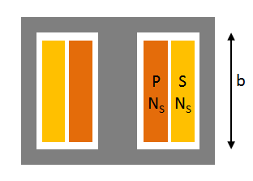
 |  |  |  | See "Effective Frequency" page for non-sinusoidal currents
Frequency |  |  |  |  | kHz | 0.00E+00 | Hz
Number of turns per winding section, Ns |  |  |  |  | See "Diagrams" page for definition in more scenarios
Core window breadth, b |  |  |  |  | mm | resistivity at 20 C |  | TC
Winding turn length |  |  |  |  | mm | 1.724E-08 | ohm-m | 0.004027
Conductor material |  |  |  | Copper |  | resistivity at temp
Operating temperature |  |  |  | 60 | C | 2.00E-08 | ohm-m

AWG | strand |  |  | Recommended |  | AC
strand | diameter |  |  | approximate |  | Resistance | Maximum
gauge | (mm) | Fr | k | number of strands |  | (milliohms) | n1*
32 | 0.202 | 1.06 | 130 | #DIV/0! |  | #DIV/0! | #DIV/0! |  | For more geometries, see:
33 | 0.18 | 1.07 | 203 | #DIV/0! |  | #DIV/0! | #DIV/0! |  | "Diagrams" page for more transformer configurations
34 | 0.16 | 1.09 | 318 | #DIV/0! |  | #DIV/0! | #DIV/0! |  | Gapped inductors page for gapped inductors
35 | 0.143 | 1.11 | 496 | #DIV/0! |  | #DIV/0! | #DIV/0!
36 | 0.127 | 1.13 | 771 | #DIV/0! |  | #DIV/0! | #DIV/0!
37 | 0.113 | 1.15 | 1.20E+03 | #DIV/0! |  | #DIV/0! | #DIV/0!
38 | 0.101 | 1.18 | 1.80E+03 | #DIV/0! |  | #DIV/0! | #DIV/0!
39 | 0.09 | 1.22 | 2.80E+03 | #DIV/0! |  | #DIV/0! | #DIV/0!
40 | 0.08 | 1.25 | 4.40E+03 | #DIV/0! |  | #DIV/0! | #DIV/0!
41 | 0.071 | 1.3 | 6.70E+03 | #DIV/0! |  | #DIV/0! | #DIV/0!
42 | 0.063 | 1.35 | 1.00E+04 | #DIV/0! |  | #DIV/0! | #DIV/0!
43 | 0.056 | 1.41 | 1.60E+04 | #DIV/0! |  | #DIV/0! | #DIV/0!
44 | 0.05 | 1.47 | 2.40E+04 | #DIV/0! |  | #DIV/0! | #DIV/0!
45 | 0.045 | 1.54 | 3.60E+04 | #DIV/0! |  | #DIV/0! | #DIV/0!
46 | 0.04 | 1.6 | 5.40E+04 | #DIV/0! |  | #DIV/0! | #DIV/0!
47 | 0.035 | 1.64 | 7.90E+04 | #DIV/0! |  | #DIV/0! | #DIV/0!
48 | 0.032 | 1.68 | 1.15E+05 | #DIV/0! |  | #DIV/0! | #DIV/0!
*Maximum n1 is the approximate maximum number of strands to combine in the first twisting operation before bundle-level skin effect degrades performance.
Skin Depth
0.0000 | mm
u0
1.2566370614E-06

Diagrams
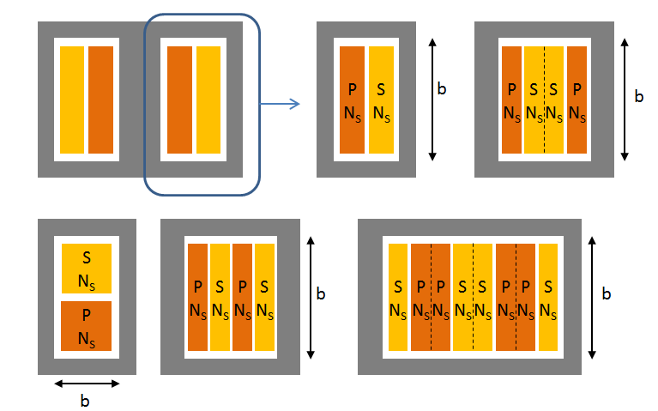
b is the breadth of the core window, defined in the direction parallel to the dividing line between the windings.
Ns is normally the number of turns in a given winding. When the windings are interleaved,
For more than two windings, or for transformers with different currents in differnet windings, use the online "litzopt" program.
Litzopt Online for more complex scenarios

Gapped Inductors
For a gapped inductor, the winding should be spaced away from the gap.
This page will calculate an effective value of b that will enable the Stranding Calculation
to properly analyze a gapped inductor. You can configure the winding in either of
the shapes shown but you must select which one in the drop-down menu.

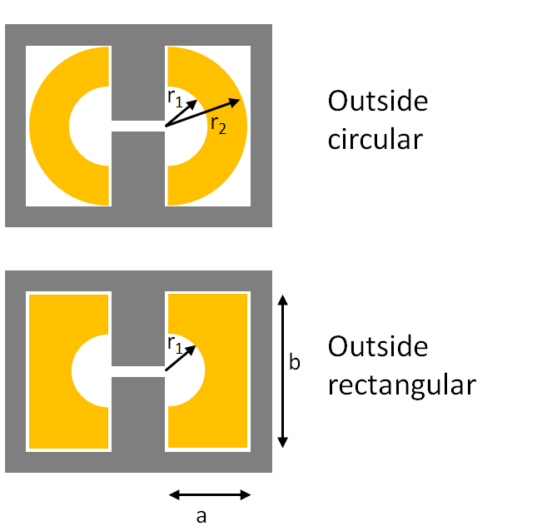
Spacing from gap r1 |  | mm
Outside: circular or rectangular?

If circular:
Outside radius, r2 |  | mm

If rectangular:
Dimension b |  | mm
Dimension a |  | mm

Effective value of b to use in Stranding Caculation
b_effective = | Select geometry above
 | mm

Internal calculation numbers
Area | 0
r2 effective | 0
b_eff circular | 0
b_eff rect | 0

